Tabelle1
Trekking
Photo | Art.-Nr. | Name | Farbe | EU | 36 | 37 | 38 | 39 | 40 | 41 | 42 | Total | UVP
 | Ref.No. | Description | Colour
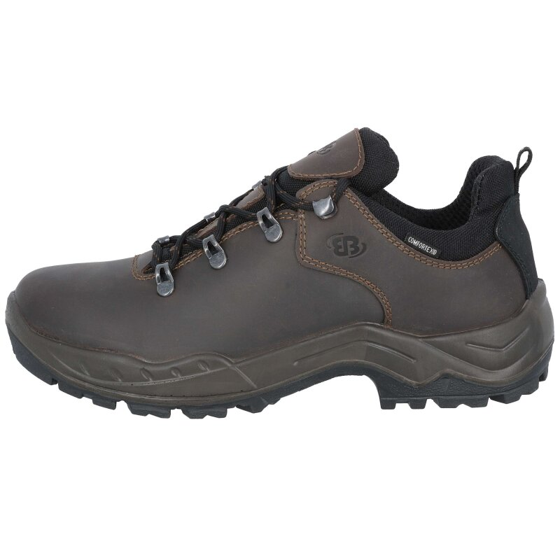 | 911300 | Bertolo low | dunkelbraun |  | 4 | 4 |  |  | 14 | 5 | 3 | 30 | 69.95 €
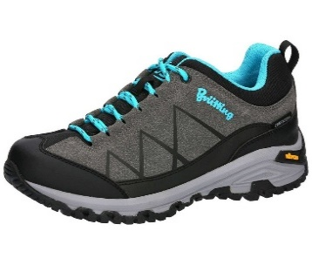 | 211325 | Kansas | grau/schwarz/türkis |  | 9 | 6 | 1 |  | 5 |  |  | 21 | 89.95 €
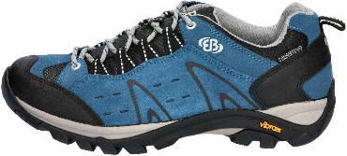 | 211329 | Mount Bona Low | blau |  | 5 | 12 | 15 |  |  |  |  | 32 | 89.95 €
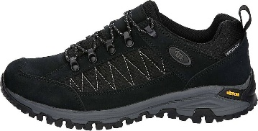 | 211331 | Mount Kandu Low | schwarz |  |  | 6 | 8 | 18 | 25 |  |  | 57 | 89.95 €
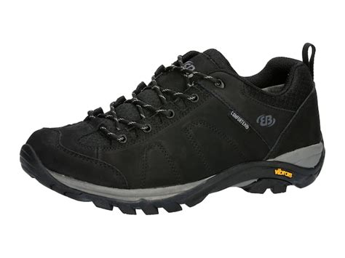 | 211352 | Mount Stevens | schwarz |  | 1 | 6 | 15 | 21 | 20 | 8 |  | 71 | 129.95 €
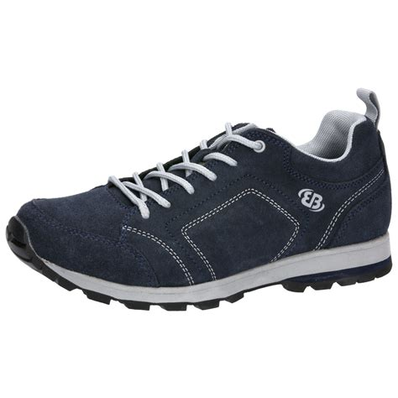 | 211369 | Mount Rogers | marine/grau |  |  |  |  |  |  |  |  | 0 | 89.95 €
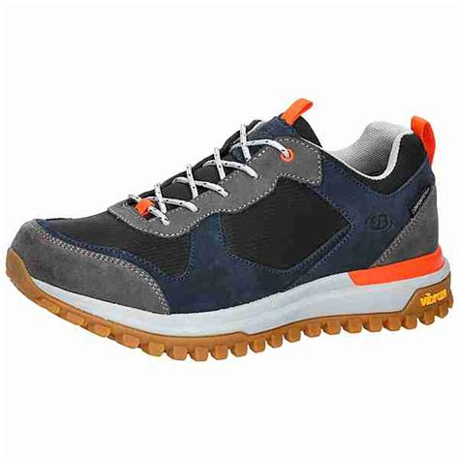 | 211381 | Mount Charleston | schwarz/marine/grau |  |  |  |  |  |  |  |  | 0 | 129.95 €
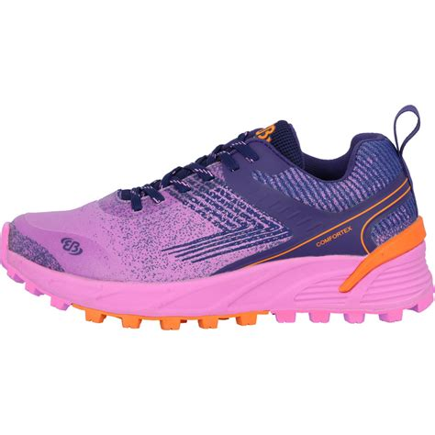 | 211454 | Mount Batur | pink/lila/orange |  |  |  |  |  |  | 6 |  | 6 | 89.95 €
 | 211511 | Mount Sellery Low | grau/schwarz/petrol |  | 8 | 4 |  |  |  | 2 |  | 14 | 99.95 €
 | 221200 | Mount Crillon High | anthrazit/orange |  | 8 | 4 | 17 | 22 |  | 6 | 36 | 93 | 99.95 €
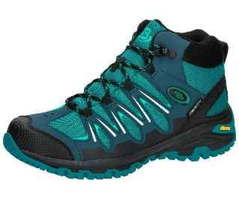 | 191308 | Expedition Mid | petrol schwarz |  | 3 | 40 | 3 | 1 |  |  |  | 47 | 99.95 €
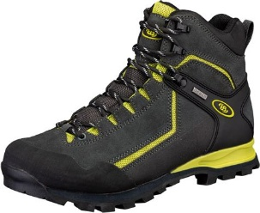 | 221262 | Mount Brandon High | schwarz/gelb |  | 10 | 5 | 10 | 5 | 2 |  |  | 32 | 139.95 €
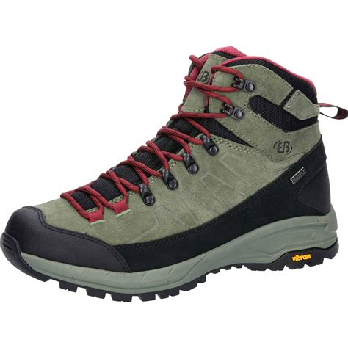 | 221368 | Mount Sellery | oliv/schwarz/bordeux |  | 19 | 24 | 24 |  |  |  | 19 | 86 | 99.95 €
TOTAL |  |  |  |  | 67 | 111 | 93 | 67 | 66 | 27 | 58 | 489

